Instructions
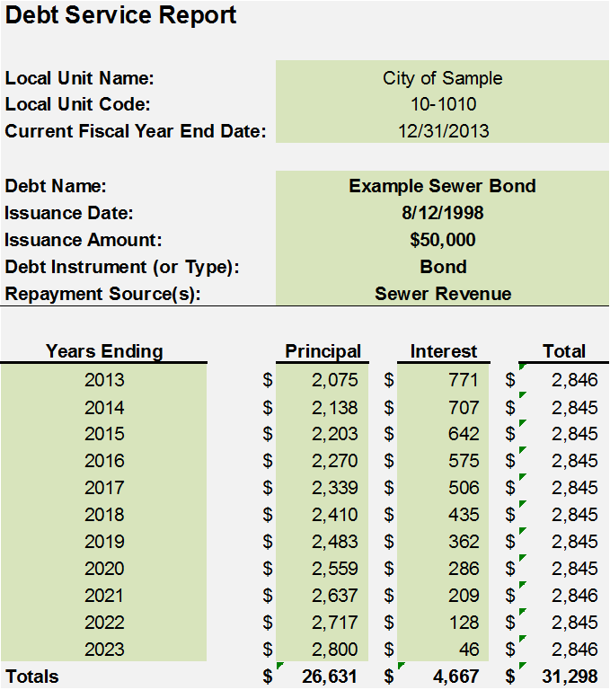
Debt Service Report Example

